Installeren van Power BI
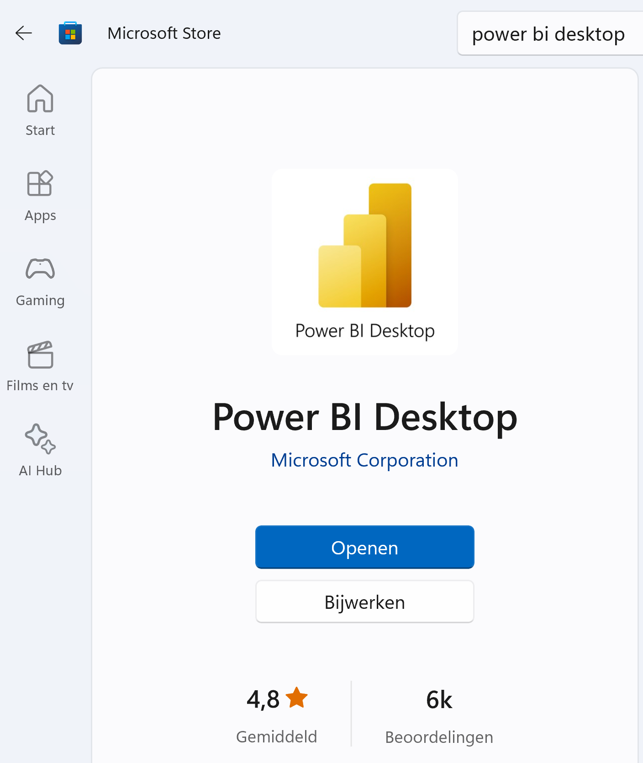
PowerBi basis cursus
Installeer PowerBI
Opdracht 1 PowerBi programma op de computer installeren via de App store
1. Open de Microsoft Store d.m.v. het Startmenu in Windows.
2. Gebruik het zoekvenster om te zoeken naar "Power BI Desktop"
3. Open het venster "Power BI Desktop"
4.Klik op "Installeren"
5. Zoek, Power BI Desktop vanuit het start menu en maak het vast op de Taakbalk met rechtermuisknop
6. Open "Power BI Desktop vanuit de Taakbalk
7. Sluit eventueel het Aan de slag venster - eventueel ook het Samenwerken en delen venster

Data importeren
PowerBi basis cursus
Data importeren met PowerBi
Opdracht 1 – CSV bestanden uit Excel openen via PowerBi
1 | Open in dit werkblad Mijnwater
2 | Selecteer de complete inhoud met CTRL + A en kopieer de gegevens met CTRL + C
3 | Maak een nieuw werkmap dmv de snel toets CTRL + N
4 | Gebruik CTRL + V om de gegevens te plakken in de nieuwe werkmap
5 | Sla dit bestand als op als CSV in de map PowerBi geef het bestand de naam: Mijnwater.CSV
6 | Klik op aan de slag om je eventueel aan te melden met licentie (aanmelden doen we niet)
7 | Open PowerBI - eventueel Aan de slag
8 | Klik op "misschien later" om door te gaan met de gratis versie - Bedanktvenster sluiten - E-mailvenster annuleren
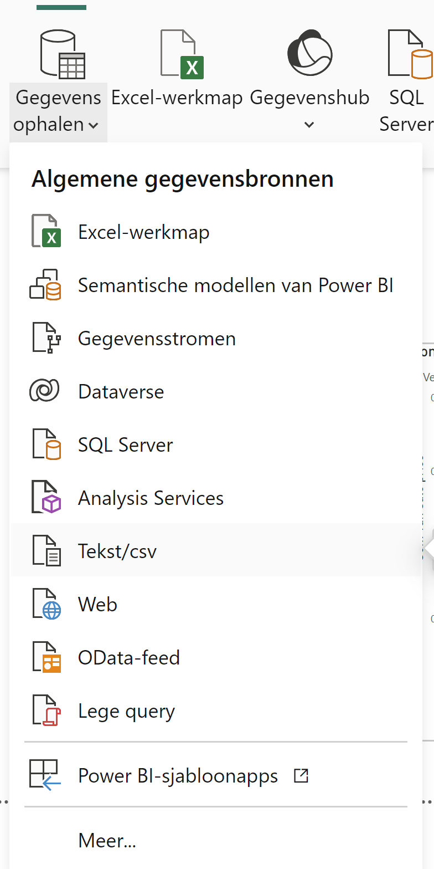
9 | Klik op Gegevens ophalen - kies Mijnwater.CSV - Verbinding maken
 | Klik op Gegevenstranformeren om de tabel te importeren in PowerBi

Data format
PowerBi basis cursus
Opmaak data format
Opdracht 1 – CSV bestanden in Excel bewerken tot volledig opgeschoonde database
1 | Na het importeren van het bestand gaan we de data opmaken
2 | Controleer of de kolomnamen corresponderen met jouw CSV bestand, pas "Eerste rij als veldnamen gebruiken" toe
3 | Start > minder rijen > rijen verwijderen - lege rijen verwijderen
4 | Start > minder rijen > rijen verwijderen - dubbele waarden verwijeren
5 | Klik met de linkermuisknop op de kolomvelden om de dataset aan te passen naar het juiste type. (zie opdracht 2)
6 | Start - Sluiten en toepassen
7 | ga naar de volgende opdracht
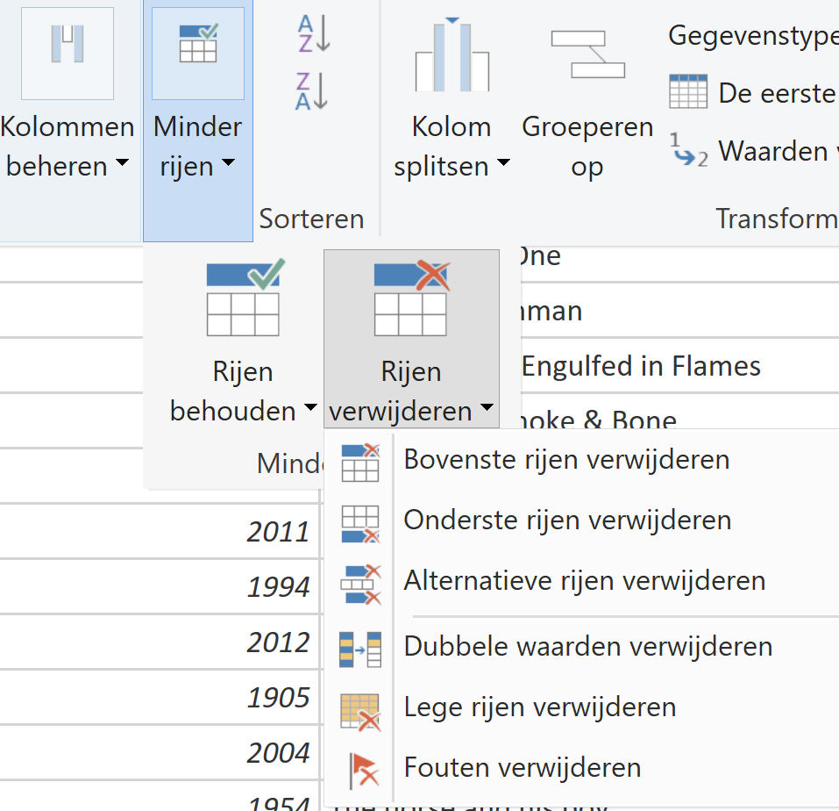
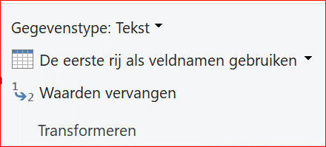

 |  | 1e icoon is Rapportweergave
 |  | 2e icoon is Tabelweergave
 |  | 3e icoon is Modelweergave

Opmaak Celeigenschappen data format
Opdracht 2 – Celeigenschappen instellen via Datarelaties
1 | Importeer nu het werkblad MijnwaterV2
2 | Open de Modelweergave
3 | Mijnwaterv2 tabel > kolom prijs > valutanotatie > euro
4 | Mijnwater2 tabel > kolom datum > gegevenstype: datum MMMM-YYYY

Data relaties
PowerBi basis cursus
Data relaties
Opdracht 1 – CSV bestanden in Excel bewerken tot de gewenste relaties
1 | Open Rapportweergave aan de linkerkant van het menu
2 | Klik eventueel op menu Start in het lint
3 | Klik op het dropdown menu "Gegevens ophalen"
4 | Open Tekst/CSV bestand
5 | Transformeer de gegevens naar jouw voorkeur zoals je geleerd hebt bij werkblad "Data Format"
6 | Open Start in het lint en klik "Sluiten en toepassen" indien je tabel naar voorkeur is ingesteld.
7 | Klik op Modelweergave in de linkerkant van het menu om de tabellen te bekijken.
8 | Sleep de kolom gegevens met de linkermuisknop over de kolom in de tabel waar je een relatie van wilt maken.
9 | Klik met de rechtermuisknop over de relatieverbinding - Eigenschappen, bekijk de relatie instellingen.

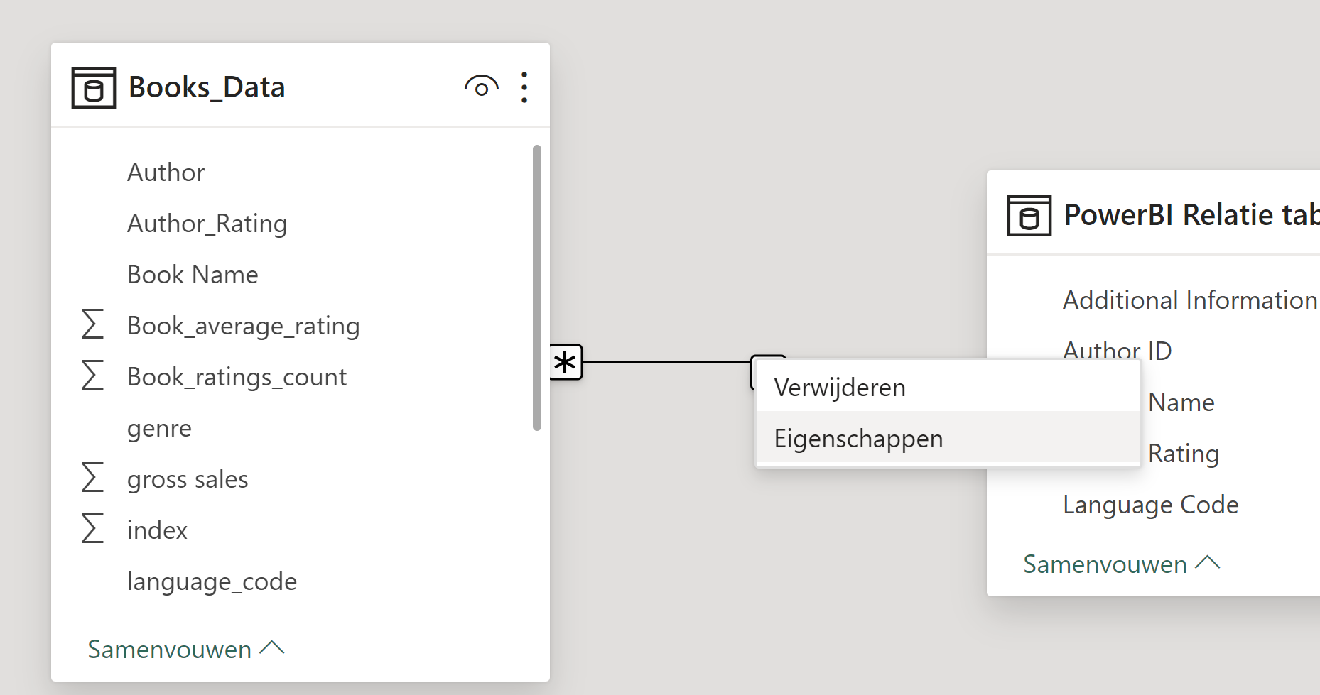

Opdracht - Link 2 datasets
1. | Geef de naam een productID dmv een data relatie

Data visualisatie
PowerBi basis cursus
Gegevens visualiseren
Opdracht 1 Via het rapport canvas de gewenste onderdelen visualiseren

1 | Klik in het linker menu op de knop Rapportweergave
2 | Open het Gegevens-venster aan de rechterkant
3 | Onder de tabel Book_Data sleep je de kolom Sale price naar het Rapportcanvas
4 | Sleep de kolom Book Name over de visualiatie van Sale price in het Rapportcanvas
5 | Klik op de visualiatie zodat je de optie Gegevens/analyseren krijgt te zien in de werkbalk
6 | Open het visualisaties menu om de gegevens te transformeren in een grafiek
 | Hier omschrijven welke grafieken waar gemaakt moeten worden

Visualiseer je database
Opdracht 2 – Visualiseren van gegevens
1. Importeer de database Mijnwater.csv in PowerBI
Data vragen verwarming
Hoeveel verwarmingssystemen zijn er in vergelijking met koelsystemen?
Kunnen we een circeldiagram maken om het percentage verwarming en koeling te tonen?

DAX Measures
PowerBi basis cursus
Basis DAX bewerkingen
Opdracht 1 - Gemiddelde berekenen dmv DAX
1. | Open model weergave
2. | Klik in het lint op nieuwe meting
3. | Geef de functie een naam, roep de functie aan die je wilt, maak een verwijzing naar de juiste kolom

4.

5. | Trek de meting in de rapportweergave
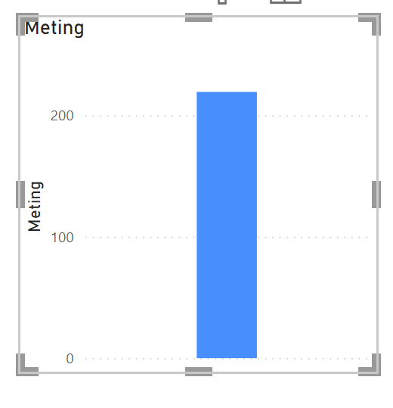

Opdracht 2 - Hoge omzet indicator
1. | Open model weergave
2. | Klik in het lint op nieuwe meting
3. | Geef de meting een naam
4. | Voer de functie in "Hoge Omzet Indicator = IF(SUM('Verkoop'[Omzet]) > 10000, "Hoge Omzet", "Lage Omzet")"

